Sheet1
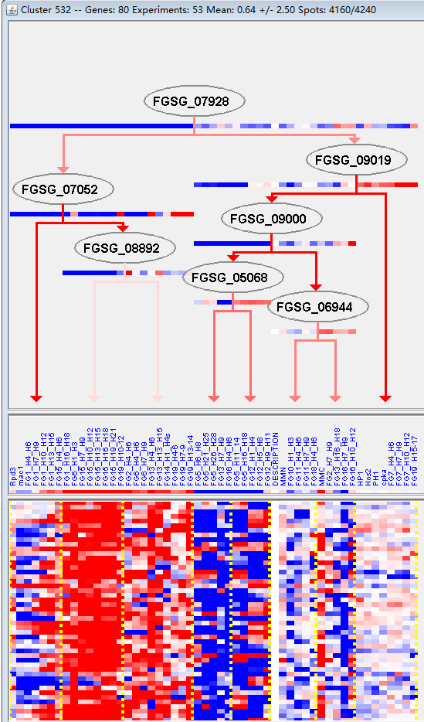
k | Filter | FUNCTIONAL CATEGORY | abs SET | rel SET | genes SET | abs GENOME | rel GENOME | rel SET/rel GENOME | P-VALUE | Bonferroni_corr | FDR
01.20.05.09 metabolism of eicosanoids | 4 | 5.71 | FGSG_02267 FGSG_02668 FGSG_11146 FGSG_10960 | 17 | 0.12 | 47.58333333 | 1.36E-06
40.10.02.01 anti-apoptosis | 4 | 5.71 | FGSG_02668 FGSG_04738 FGSG_11146 FGSG_10960 | 31 | 0.22 | 25.95454545 | 1.71E-05
34.11.13.07 circulation (e.g. blood pressure) | 3 | 4.28 | FGSG_02668 FGSG_11146 FGSG_10960 | 12 | 0.08 | 53.5 | 2.65E-05
34.11.13 gas and metabolite distribution | 3 | 4.28 | FGSG_02668 FGSG_11146 FGSG_10960 | 13 | 0.09 | 47.55555556 | 3.43E-05
01.20.05 metabolism of acetic acid derivatives | 4 | 5.71 | FGSG_02267 FGSG_02668 FGSG_11146 FGSG_10960 | 56 | 0.4 | 14.275 | 0.000181441
32.07.07.05 peroxidase reaction | 2 | 2.85 | FGSG_02668 FGSG_10960 | 10 | 0.07 | 40.71428571 | 0.001107644
01.05.03 polysaccharide metabolism | 6 | 8.57 | FGSG_00096 FGSG_03632 FGSG_03591 FGSG_03570 FGSG_05663 FGSG_11184 | 291 | 2.1 | 4.080952381 | 0.003503106
40 CELL FATE | 8 | 11.4 | FGSG_02667 FGSG_02668 FGSG_02681 FGSG_04738 FGSG_07557 FGSG_11164 FGSG_11146 FGSG_10960 | 548 | 3.96 | 2.878787879 | 0.006301084
40.10.02 apoptosis (type I programmed cell death) | 4 | 5.71 | FGSG_02668 FGSG_04738 FGSG_11146 FGSG_10960 | 150 | 1.08 | 5.287037037 | 0.007011417
40.10 cell death | 4 | 5.71 | FGSG_02668 FGSG_04738 FGSG_11146 FGSG_10960 | 163 | 1.17 | 4.88034188 | 0.009340321
14.13.04.02 vacuolar protein degradation | 2 | 2.85 | FGSG_03315 FGSG_11411 | 32 | 0.23 | 12.39130435 | 0.011363059
01.25.11 extracellular aminosaccharide degradation | 1 | 1.42 | FGSG_04738 | 3 | 0.02 | 71 | 0.015113093
01.01.05.01.01 biosynthesis of polyamines | 1 | 1.42 | FGSG_02206 | 5 | 0.03 | 47.33333333 | 0.025063176
01.06 lipid, fatty acid and isoprenoid metabolism | 9 | 12.8 | FGSG_01603 FGSG_02114 FGSG_02267 FGSG_02668 FGSG_04738 FGSG_07765 FGSG_11146 FGSG_11036 FGSG_10960 | 850 | 6.14 | 2.084690554 | 0.026990118
14.13.04 lysosomal and vacuolar protein degradation | 2 | 2.85 | FGSG_03315 FGSG_11411 | 51 | 0.36 | 7.916666667 | 0.027466626
34.11 cellular sensing and response to external stimulus | 5 | 7.14 | FGSG_02114 FGSG_02668 FGSG_11164 FGSG_11146 FGSG_10960 | 350 | 2.53 | 2.822134387 | 0.032050141
01.01.06.02.01 biosynthesis of asparagine | 1 | 1.42 | FGSG_03981 | 7 | 0.05 | 28.4 | 0.034914158
01.20 secondary metabolism | 7 | 10 | FGSG_01603 FGSG_02267 FGSG_02668 FGSG_07557 FGSG_07765 FGSG_11146 FGSG_10960 | 627 | 4.53 | 2.207505519 | 0.038816325
14.07.11 protein processing (proteolytic) | 3 | 4.28 | FGSG_01818 FGSG_11164 FGSG_11411 | 148 | 1.07 | 4 | 0.039100167
01.06.05 fatty acid metabolism | 3 | 4.28 | FGSG_02267 FGSG_02668 FGSG_10960 | 157 | 1.13 | 3.787610619 | 0.045269282
32.07.07 oxygen and radical detoxification | 2 | 2.85 | FGSG_02668 FGSG_10960 | 68 | 0.49 | 5.816326531 | 0.046462921
01.01.03.03.01 biosynthesis of proline | 1 | 1.42 | FGSG_02206 | 10 | 0.07 | 20.28571429 | 0.049506941

01.20.05.09类花生酸代谢
40.10.02.01抗凋亡

